Test Case 5
TC Title: | TC5. Modify General User's Information - Core Functionality & Data Flow In

TC Objective: | This test case validates core functionality of the feature To update user information, the information that user enters must be compared with other created account's information to avoid repetition. Some of the information allows repetition (like user name) but some dont (like gallery name and phone number)
Data Flow Diagram |  | 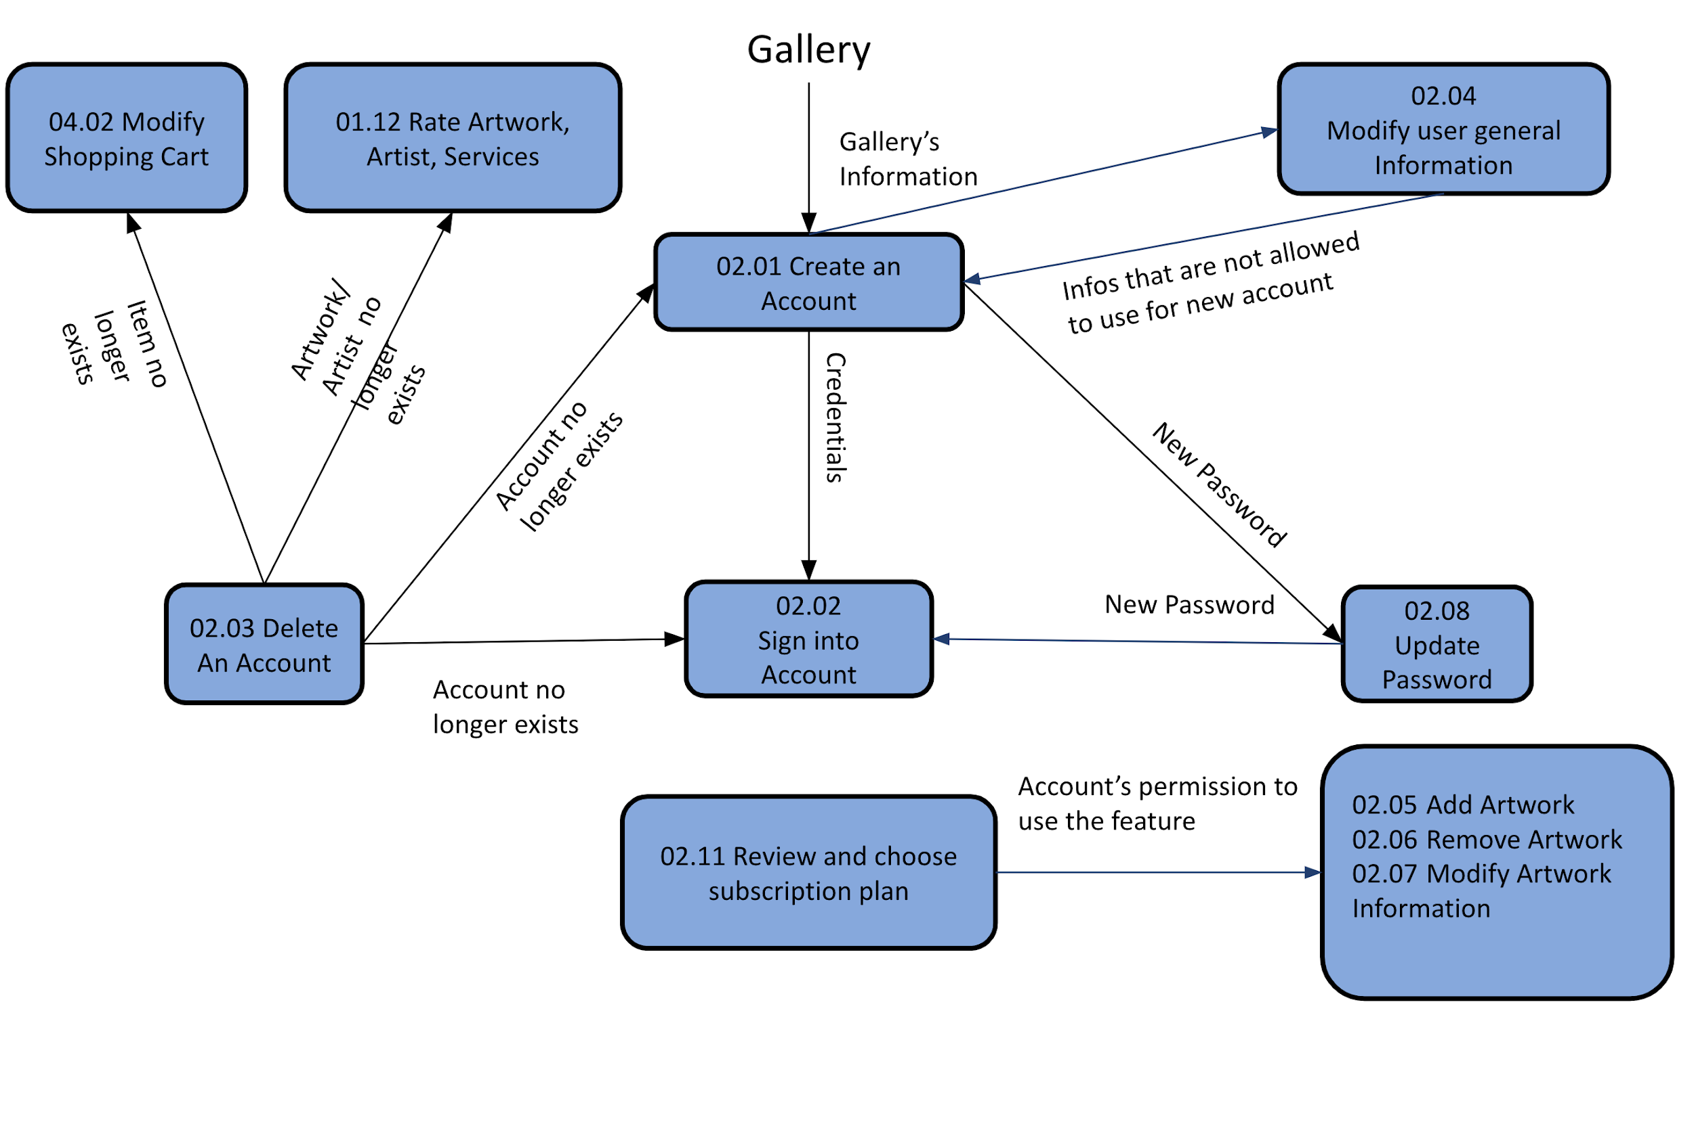
Precondition | Customer is at Modify General User's Information Page
TC Description
 | Step | Step Description | Expected Results
 | 1 | Enter valid Gallery Name that has been used by another account | Error message
 | 3 | Enter a valid new Gallery Name that has NOT been used by another account and click Submit | Success Message "Information is updated successfully" New Gallery Name shows up on top right corner of the page
 | 4 | Click User Profile | Other Information remain the same

